questions
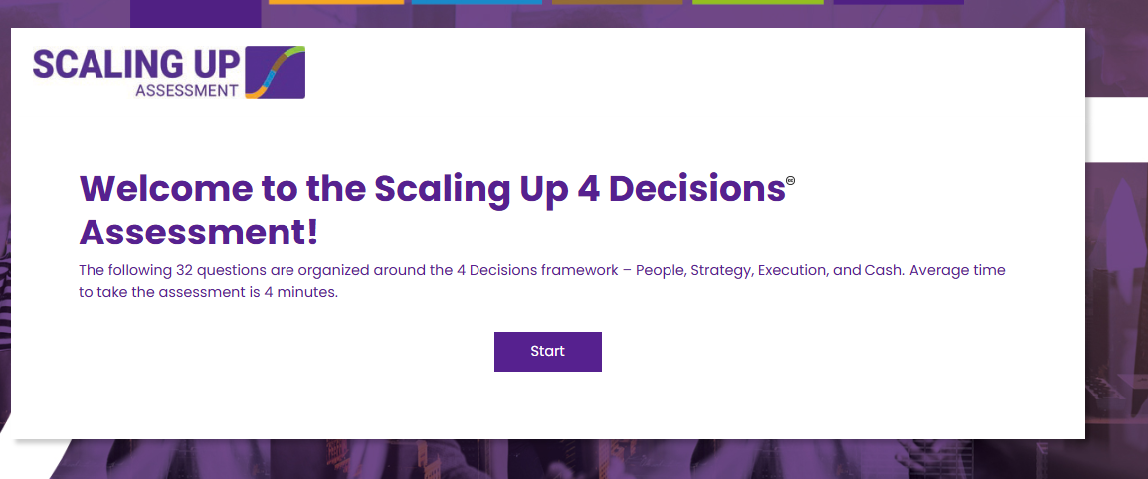

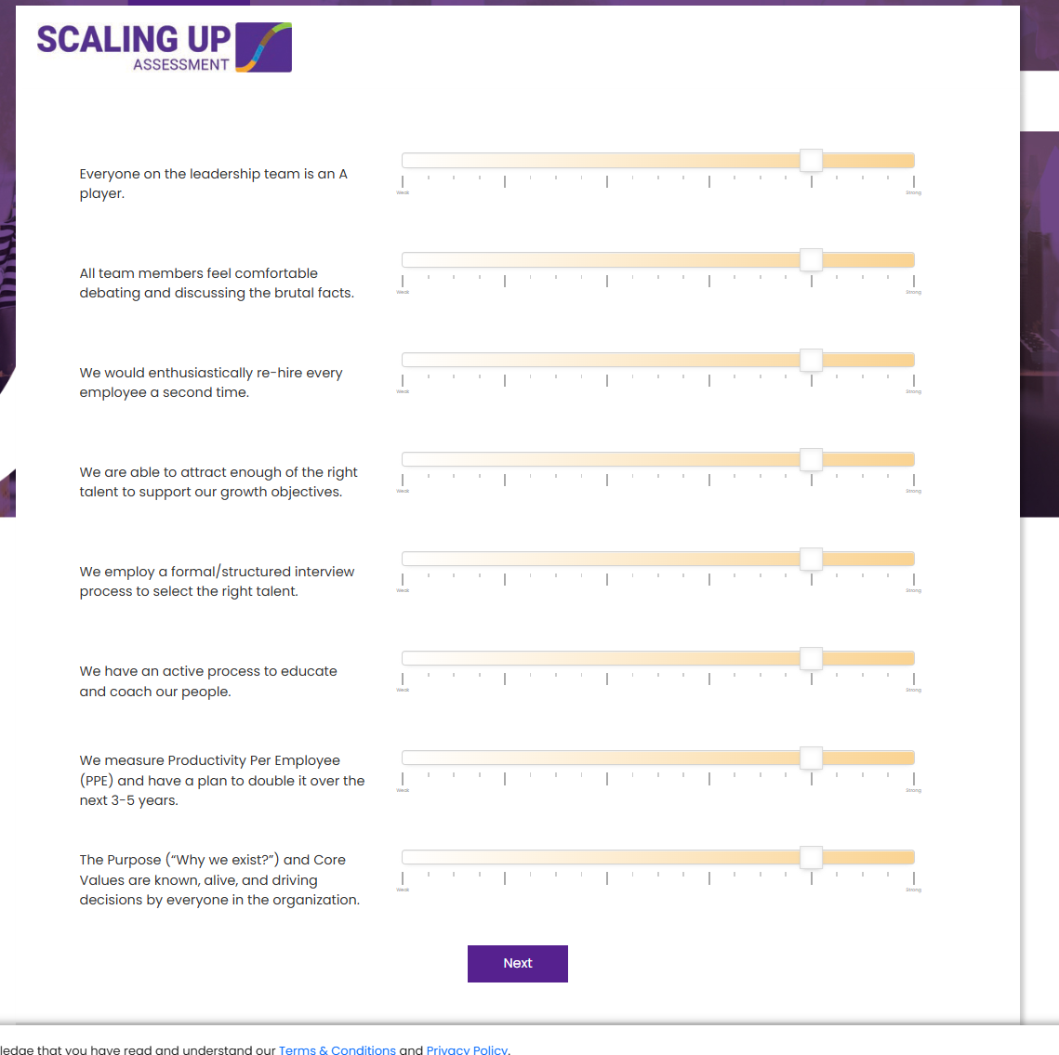

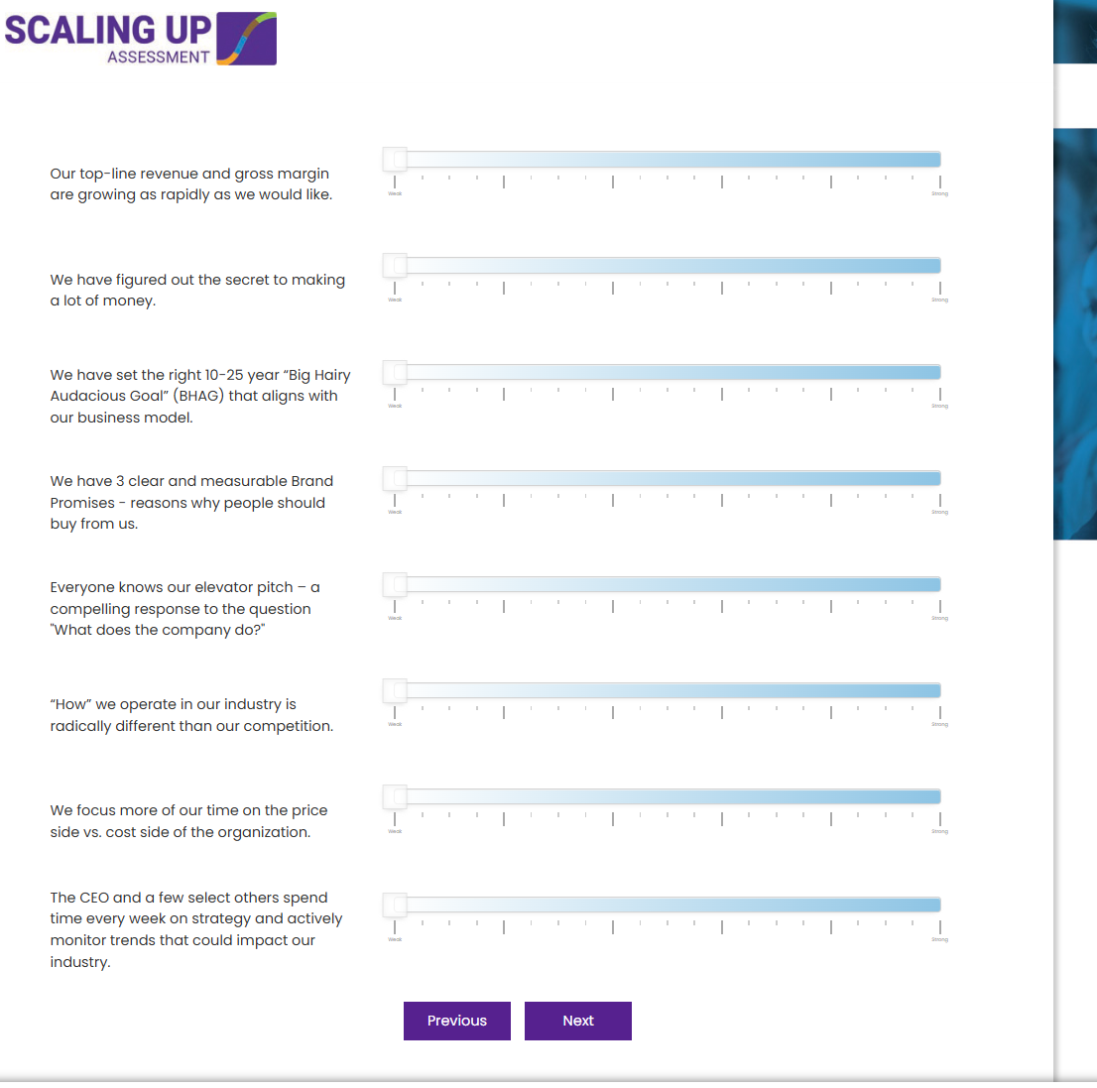

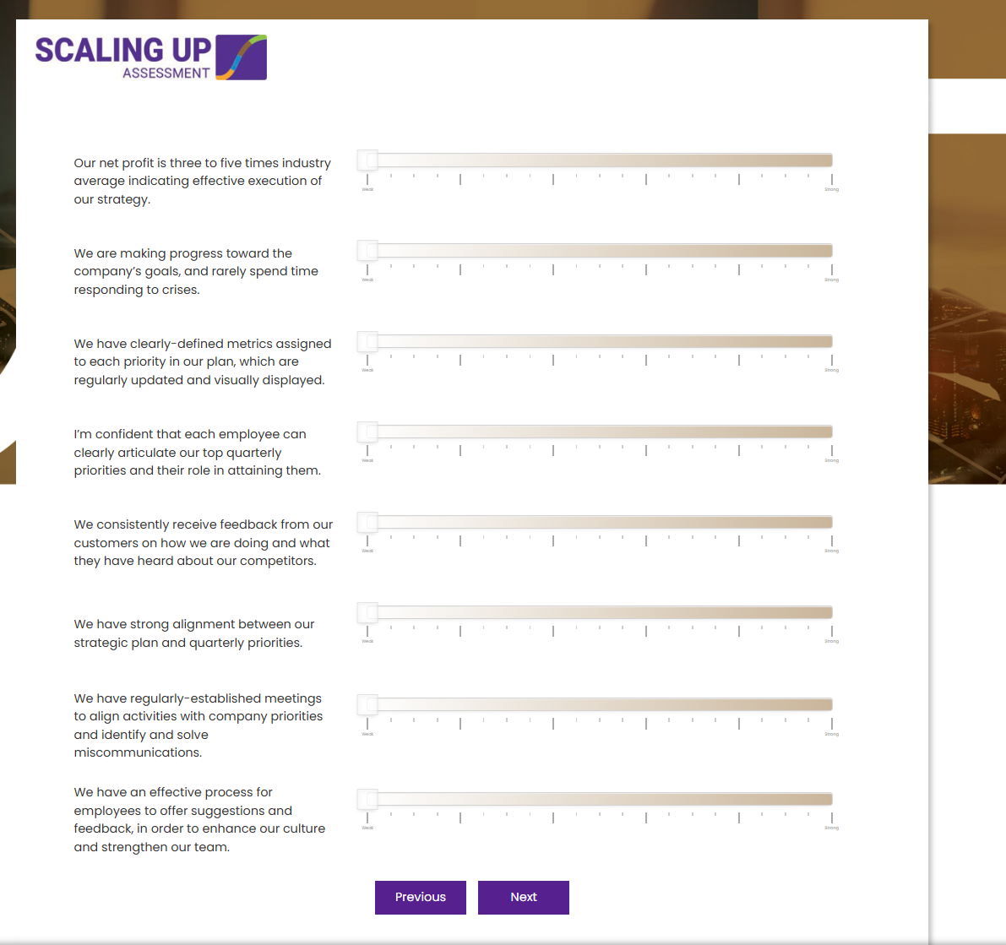

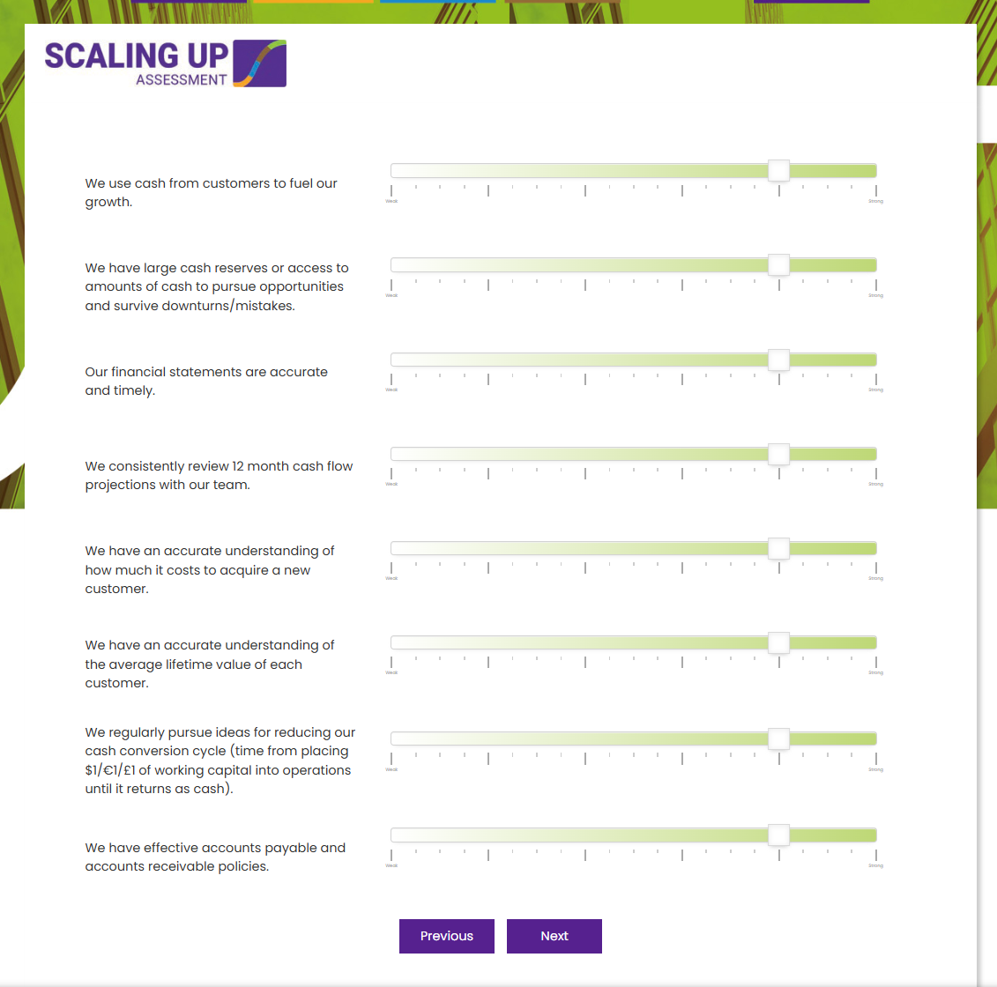

email
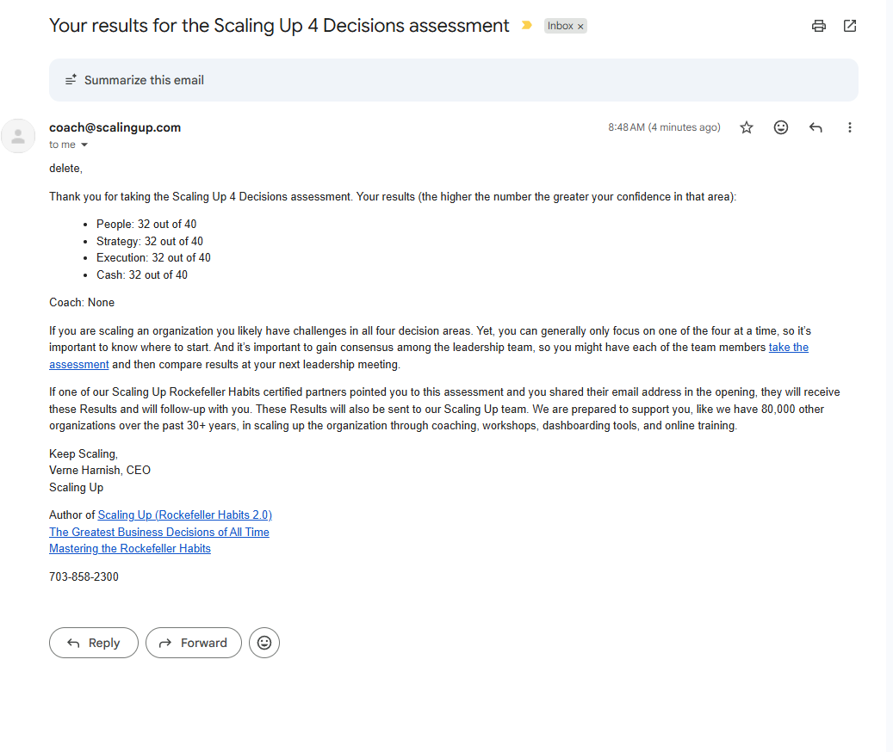
email

results
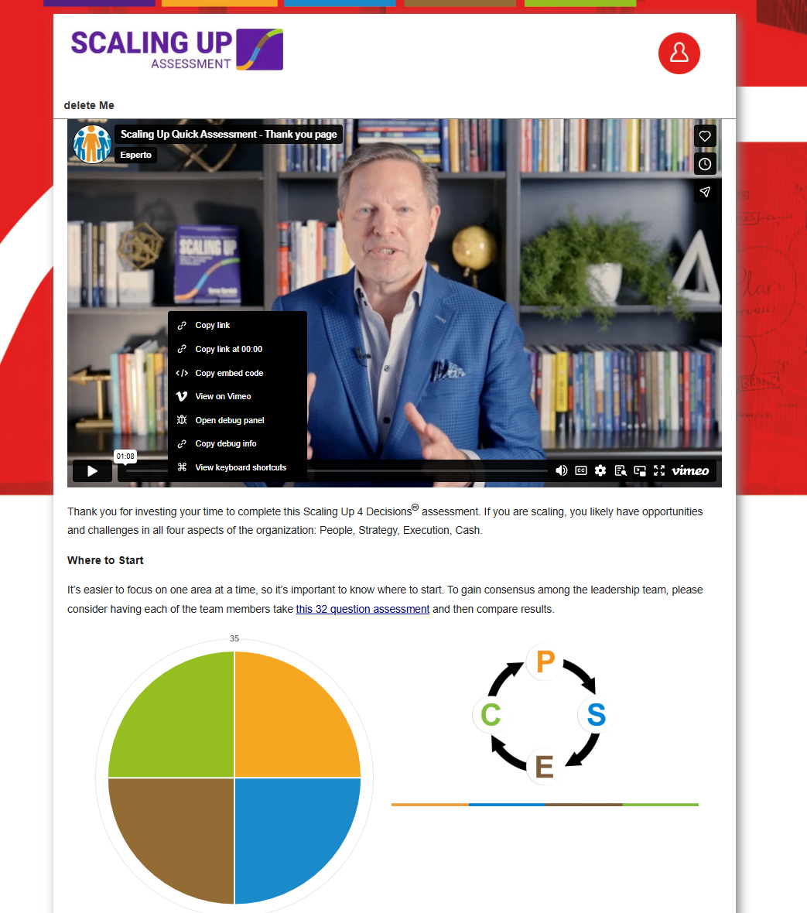

Scaling Up Quick Assessment - Thank you page | Videos & Movies on Vimeo

 | As the diagram next to your results suggests, all four decisions are tied together and impact each other. You want to pay particular attention to the Decision that precedes your lowest scored Decision i.e. if your lowest score was Strategy the root cause could be People – maybe you don’t have the right people or no one spending enough time focused on Strategy, for instance.
 | Next step
 | If one of our Scaling Up Rockefeller Habits certified coaches pointed you to this assessment and you shared their email address in the opening, they will receive these Results and will follow-up with you.
 | These Results will also be sent to our Scaling Up team, who are prepared to support you. We have helped over 102,000 organizations, over the past 40+ years, scale through coaching, workshops, online education, technology, and more.
 | Complimentary One-Hour
 | We would like to offer you a complimentary one-hour coaching session from our Scaling Up team to share how we can support you in scaling your organization. At your discretion, we’ll have you and your team complete a more comprehensive assessment (20 minutes), the same we use in our CEO Boot Camps and coaching practices ($199 value).
 | Please let us know if you want to take your assessment to the next level.
 | YES! I WOULD LIKE A COMPLIMENTARY FOLLOW-UP (CLICK HERE)
 | If you have any questions or need additional information please contact us at coach@scalingup.com or visit our website for many complimentary resources next to the picture of the books including a free one-hour Scaling Up mini-course – 15 minute hints each for People, Strategy, Execution, and Cash.
 | Keep Scaling,
 | Verne Harnish, CEO
 | Scaling Up
 | Author of Scaling Up (Rockefeller Habits 2.0)
 | The Greatest Business Decisions of All Time
 | Mastering the Rockefeller Habits
 | 703-858-2300

